Week 5
Project Title: CardioCare Quest |  |  |  |  | Report for | Week 6 (Feb 16 - Feb 20)
 | Team Members:
 | 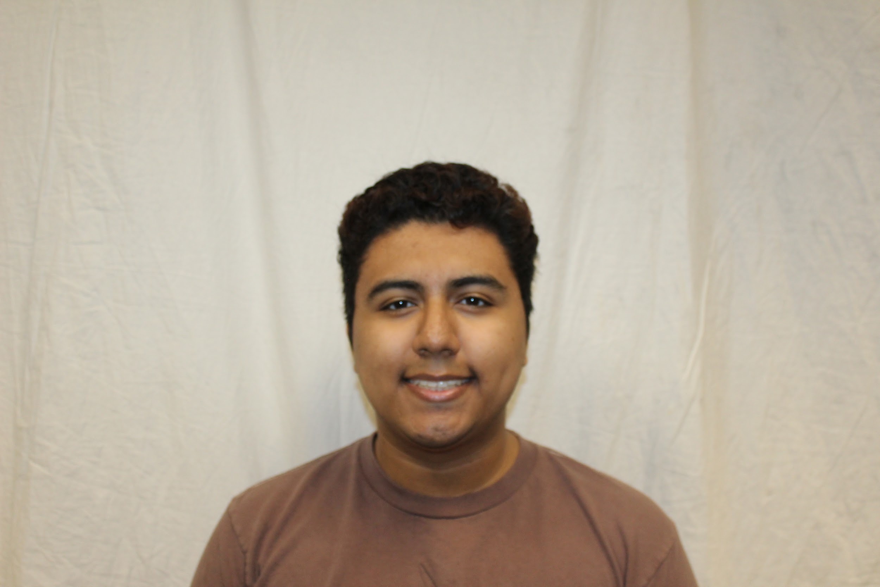 |  | 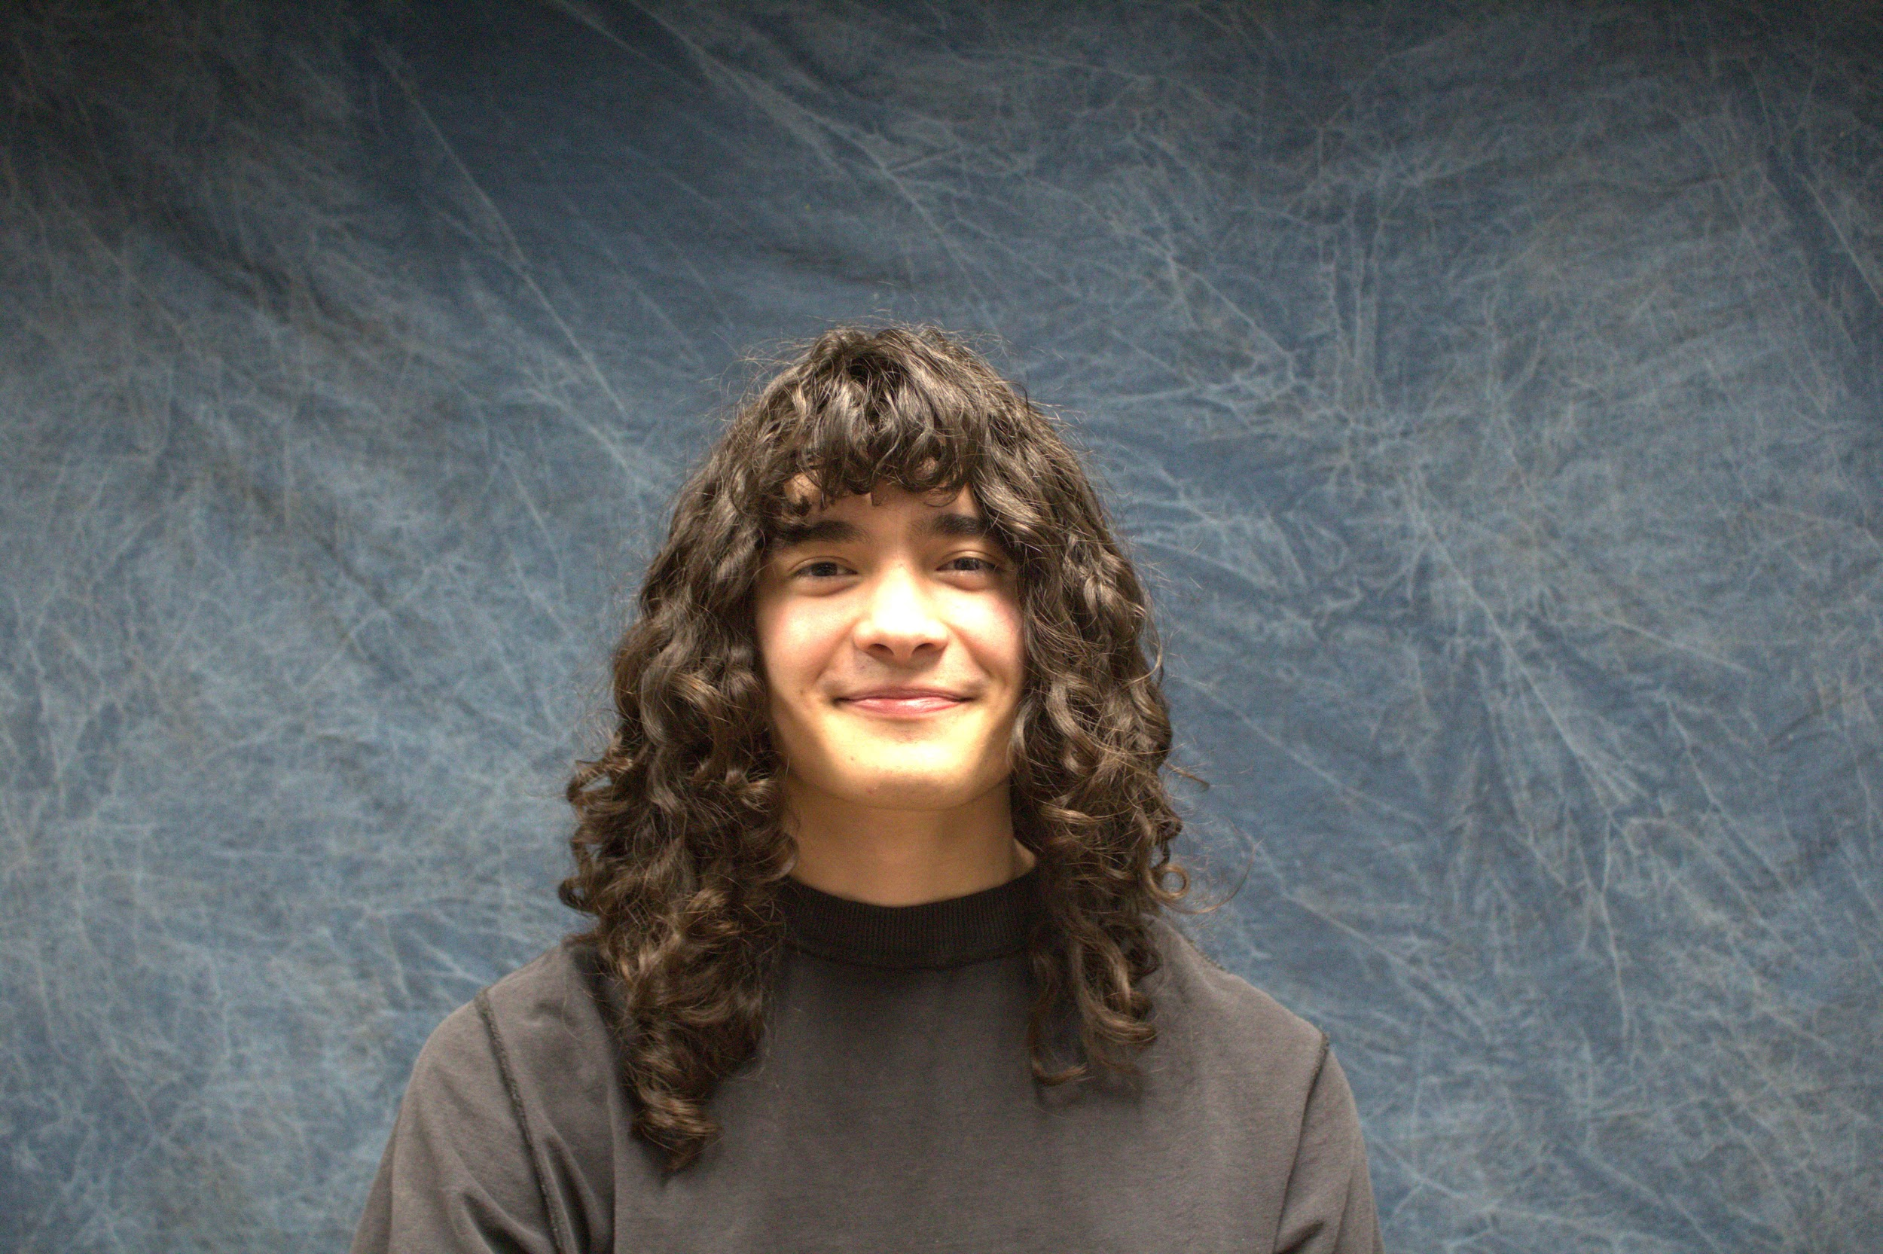 | 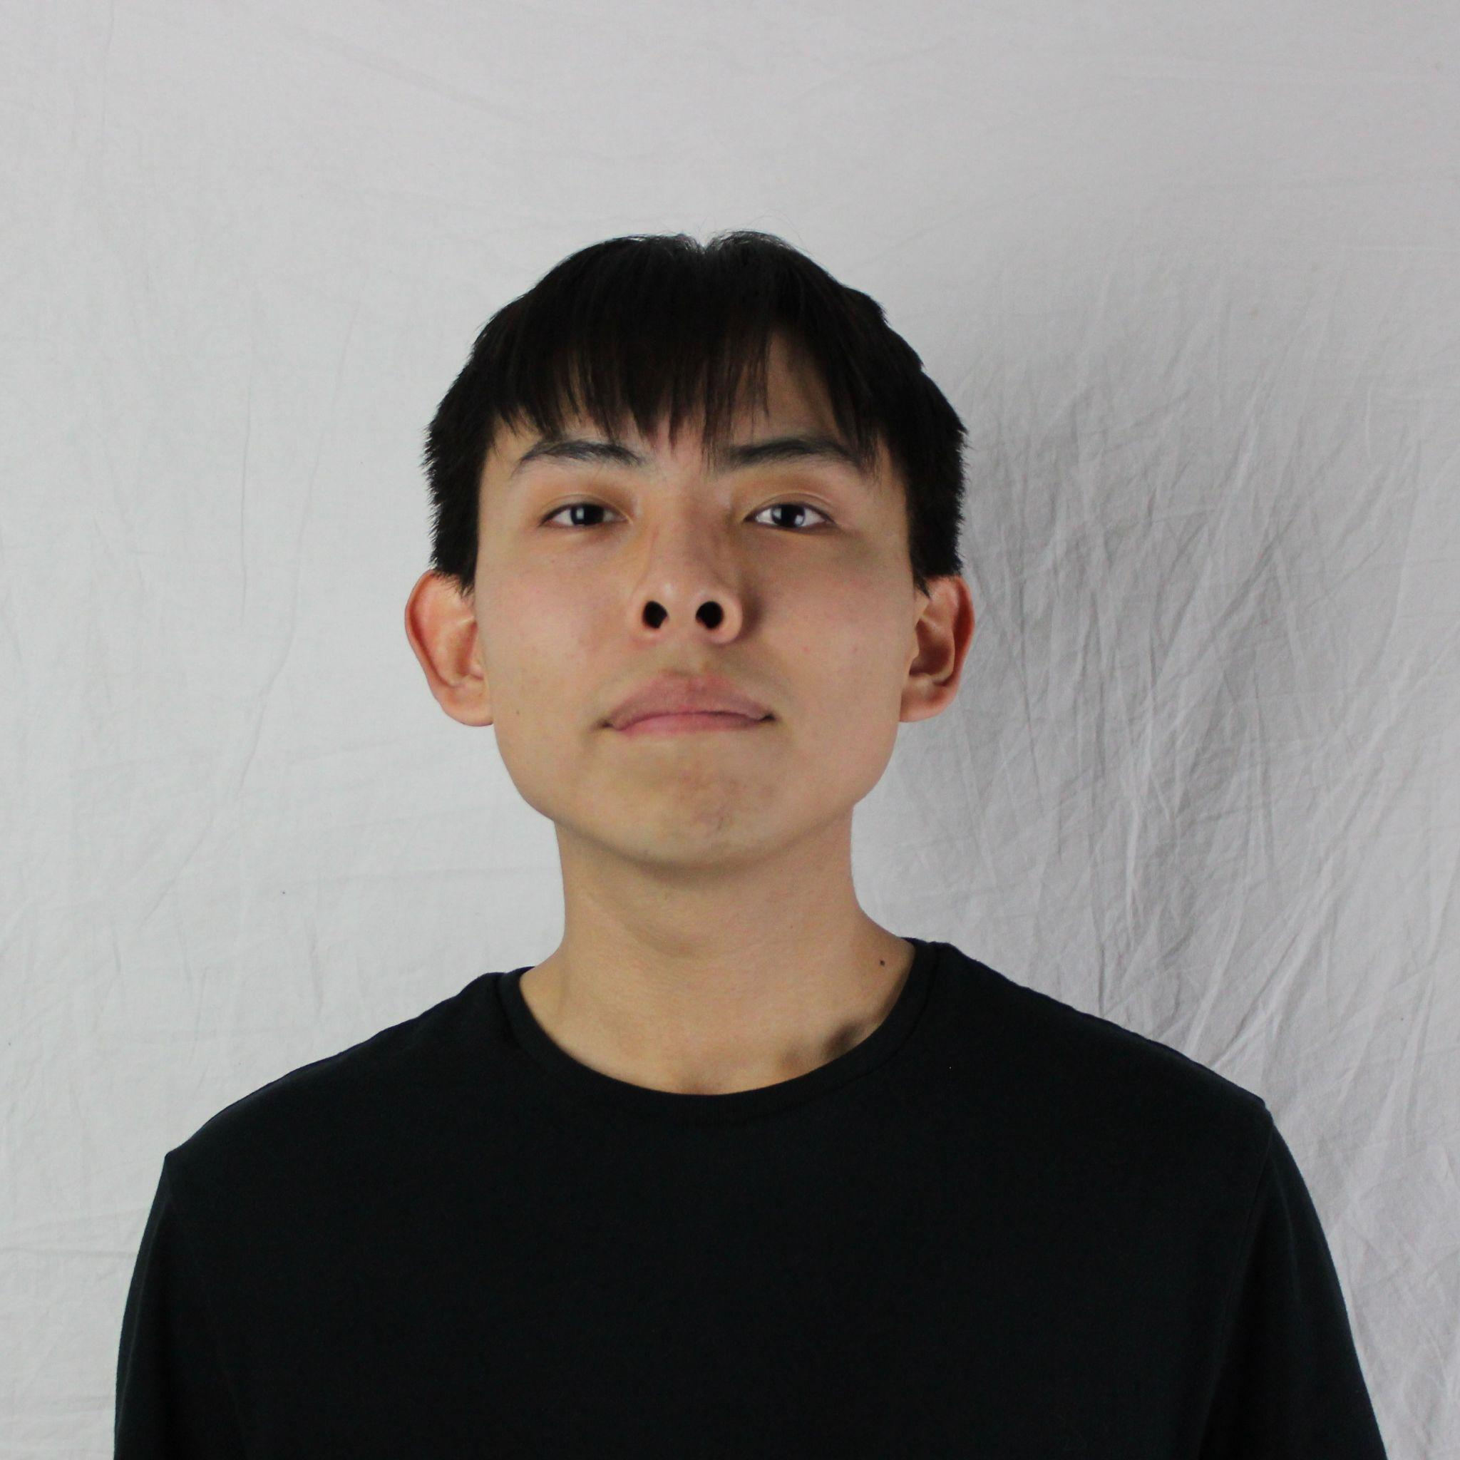
 | Jesse Ceja | Anna Cheatham | Tyler Jeffrey | Rique Trujillo Yazzie
 |  |  |  |  |  |  |  |  |  |  |  | XXX
Task ID | Status | Description |  |  | Assigned to | Start Date | Start Week | Expected End Date | Finished on Week | Measurable Outcome | Actual Outcome | XXX
N/A | <pick a status from the list> | <2-3 sentences to describe what is involved with the task and its goals in more detail> |  |  | <who’s responsible; if multiple persons, to what percentage> | <date task created> | <pick a week from the list> | <date task is due> | <pick a week from the list> | <Concise statement of exactly what deliverable is expected with notes on expectations of quality and/or completion> | <Concise statement of exactly what was delivered and at what level of quality>
1 | Done | Creating and finalizing team standards document. Here we will will formalize internal operations by documenting specific roles, meeting protocols, and other strategies to ensure absolute accountability. This framework aligns the group on shared technical tools and review processes, streamlining collaboration and preventing friction during the project lifecycle. |  |  | Anna Cheatham - 25%, Jesse Ceja - 25%, Tyler Jeffrey - 25%, Rique Yazzie - 25% | 2/11/2026 | Week 5 (Feb 9 - Feb 13) | 2/16/2026 | Week 6 (Feb 16 - Feb 20) | Establish a document that defines member roles, meeting protocols, communication tools, and internal review processes to ensure cohesive and accountable collaboration throughout the project lifecycle. | We have created a document outlining member roles/responsibilities, a variety of team meeting expectations, our tools and document standards, and our internal self-review process. | XXX
2 | Next up | Learn Figma, specifically build a simple app and port it to my android phone. |  |  | Jesse Ceja | 2/19/2026 | Week 5 (Feb 9 - Feb 13) | 2/27/2026 |  | App installed on my phone without need for laptop connection, has interactables that update data on screen. |  | XXX
3 | Done | Team website initialization. This task is the first part of the website creation process. The website should be accessible and represent basic information about the team and project. |  |  | Rique Yazzie- 75%, Jesse Ceja - 25% | 2/11/2026 | Week 5 (Feb 9 - Feb 13) | 2/14/2026 | Week 5 (Feb 9 - Feb 13) | Basic html website that provides a brief introduction and overview of team and project. Website also functions correctly as the home-page for the project. |  | XXX
4 | In progress | Intro presentation. This is a 3-5 minute presentation to introduce our project. |  |  | Anna Cheatham - 25%, Jesse Ceja - 25%, Tyler Jeffrey - 25%, Rique Yazzie - 25% | 2/18/2026 | Week 6 (Feb 16 - Feb 20) | 2/23/2026 |  | Create a 5 minute summary presentation of our project. This will detail our client, project details, workflow, solutions, and plans for development. |  | XXX
5 | In progress | Fully completed team website. Outlines much of the content of our project. |  |  | Rique Yazzie- 50%, Jesse Ceja - 50% | 2/18/2026 | Week 6 (Feb 16 - Feb 20) | 2/23/2026 |  | Fully flesh out the items described in the intialization process. This will involve fixing all formatting and all sections of the website we outlined previously. |  | XXX
6 | Next up | Get into contact with the research teams overseeing CardioCare Quest. |  |  | Tyler Jeffrey | 2/20/2026 | Week 6 (Feb 16 - Feb 20) | 2/27/2026 |  | Get into contact with the related research teams to set up meetings. Here we will begin to familiarize ourselves with the CC Quest workflow and codebase. |  | XXX
7 |  |  |  |  |  |  |  |  |  |  |  | XXX
8 |  |  |  |  |  |  |  |  |  |  |  | XXX
9 |  |  |  |  |  |  |  |  |  |  |  | XXX
10 |  |  |  |  |  |  |  |  |  |  |  | XXX
11 |  |  |  |  |  |  |  |  |  |  |  | XXX
12 |  |  |  |  |  |  |  |  |  |  |  | XXX
13 |  |  |  |  |  |  |  |  |  |  |  | XXX
14 |  |  |  |  |  |  |  |  |  |  |  | XXX
15 |  |  |  |  |  |  |  |  |  |  |  | XXX
16 |  |  |  |  |  |  |  |  |  |  |  | XXX
17 |  |  |  |  |  |  |  |  |  |  |  | XXX
18 |  |  |  |  |  |  |  |  |  |  |  | XXX
19 |  |  |  |  |  |  |  |  |  |  |  | XXX
20 |  |  |  |  |  |  |  |  |  |  |  | XXX
21 |  |  |  |  |  |  |  |  |  |  |  | XXX
22 |  |  |  |  |  |  |  |  |  |  |  | XXX
23 |  |  |  |  |  |  |  |  |  |  |  | XXX
24 |  |  |  |  |  |  |  |  |  |  |  | XXX
25 |  |  |  |  |  |  |  |  |  |  |  | XXX
26 |  |  |  |  |  |  |  |  |  |  |  | XXX
27 |  |  |  |  |  |  |  |  |  |  |  | XXX
28 |  |  |  |  |  |  |  |  |  |  |  | XXX
29 |  |  |  |  |  |  |  |  |  |  |  | XXX
30 |  |  |  |  |  |  |  |  |  |  |  | XXX
31 |  |  |  |  |  |  |  |  |  |  |  | XXX
32 |  |  |  |  |  |  |  |  |  |  |  | XXX
33 |  |  |  |  |  |  |  |  |  |  |  | XXX
34 |  |  |  |  |  |  |  |  |  |  |  | XXX
35 |  |  |  |  |  |  |  |  |  |  |  | XXX
36 |  |  |  |  |  |  |  |  |  |  |  | XXX
37 |  |  |  |  |  |  |  |  |  |  |  | XXX
38 |  |  |  |  |  |  |  |  |  |  |  | XXX
39 |  |  |  |  |  |  |  |  |  |  |  | XXX
40 |  |  |  |  |  |  |  |  |  |  |  | XXX
41 |  |  |  |  |  |  |  |  |  |  |  | XXX
42 |  |  |  |  |  |  |  |  |  |  |  | XXX
43 |  |  |  |  |  |  |  |  |  |  |  | XXX
44 |  |  |  |  |  |  |  |  |  |  |  | XXX
45 |  |  |  |  |  |  |  |  |  |  |  | XXX
46 |  |  |  |  |  |  |  |  |  |  |  | XXX
47 |  |  |  |  |  |  |  |  |  |  |  | XXX
48 |  |  |  |  |  |  |  |  |  |  |  | XXX
49 |  |  |  |  |  |  |  |  |  |  |  | XXX
50 |  |  |  |  |  |  |  |  |  |  |  | XXX
51 |  |  |  |  |  |  |  |  |  |  |  | XXX
52 |  |  |  |  |  |  |  |  |  |  |  | XXX
53 |  |  |  |  |  |  |  |  |  |  |  | XXX
54 |  |  |  |  |  |  |  |  |  |  |  | XXX
55 |  |  |  |  |  |  |  |  |  |  |  | XXX
56 |  |  |  |  |  |  |  |  |  |  |  | XXX
57 |  |  |  |  |  |  |  |  |  |  |  | XXX
58 |  |  |  |  |  |  |  |  |  |  |  | XXX
59 |  |  |  |  |  |  |  |  |  |  |  | XXX
60 |  |  |  |  |  |  |  |  |  |  |  | XXX
61 |  |  |  |  |  |  |  |  |  |  |  | XXX
62 |  |  |  |  |  |  |  |  |  |  |  | XXX
63 |  |  |  |  |  |  |  |  |  |  |  | XXX
64 |  |  |  |  |  |  |  |  |  |  |  | XXX
65 |  |  |  |  |  |  |  |  |  |  |  | XXX
66 |  |  |  |  |  |  |  |  |  |  |  | XXX
67 |  |  |  |  |  |  |  |  |  |  |  | XXX
68 |  |  |  |  |  |  |  |  |  |  |  | XXX
69 |  |  |  |  |  |  |  |  |  |  |  | XXX
70 |  |  |  |  |  |  |  |  |  |  |  | XXX
71 |  |  |  |  |  |  |  |  |  |  |  | XXX
72 |  |  |  |  |  |  |  |  |  |  |  | XXX
73 |  |  |  |  |  |  |  |  |  |  |  | XXX
74 |  |  |  |  |  |  |  |  |  |  |  | XXX
75 |  |  |  |  |  |  |  |  |  |  |  | XXX
76 |  |  |  |  |  |  |  |  |  |  |  | XXX
77 |  |  |  |  |  |  |  |  |  |  |  | XXX
78 |  |  |  |  |  |  |  |  |  |  |  | XXX

